Executive Dashboard
Executive Dashboard
CrowdStrike | April 2026 - July 2026

TOTAL OPEN |  | CRITICAL | HIGH |  | IMMEDIATE PATCH
120 |  | 30 | 30 |  | 80

Current unresolved findings |  | Critical severity findings | High severity findings |  | P1 + P2 findings

Severity Distribution |  |  | Patch Priority Distribution
Severity | Open Findings |  | Patch Priority | Open Findings
Critical | 30 |  | P1 | 20
High | 30 |  | P2 | 60
Medium | 30 |  | P3 | 20
Low | 30 |  | P4 | 20

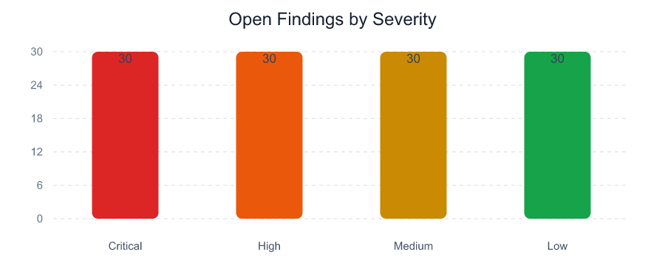
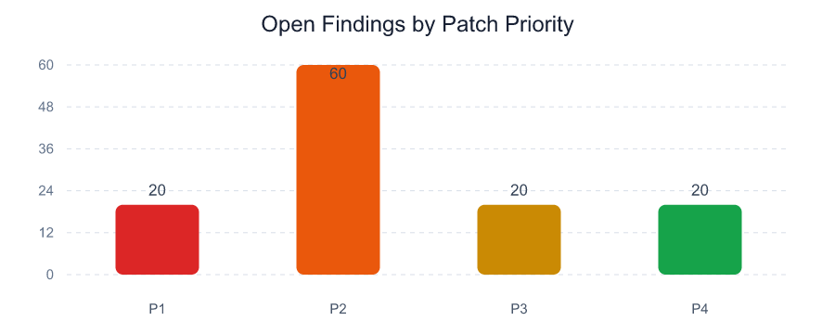

Executive Observations

- 80 of 120 open findings require P1 or P2 handling.

- 40 findings contain positive exploit-availability evidence in the selected scanner exports.

- 45 unique normalized assets or workloads are affected.

Monthly Report
CrowdStrike Monthly Vulnerability Report
April 2026 - July 2026

TOTAL OPEN |  |  | NEW THIS MONTH |  |  | NOT CLOSED |  |  | PATCHED LAST MONTH
120 |  |  | 20 |  |  | 100 |  |  | 25

New + not closed |  |  | Identified in current report |  |  | Carried from previous report |  |  | June 2026 to July 2026

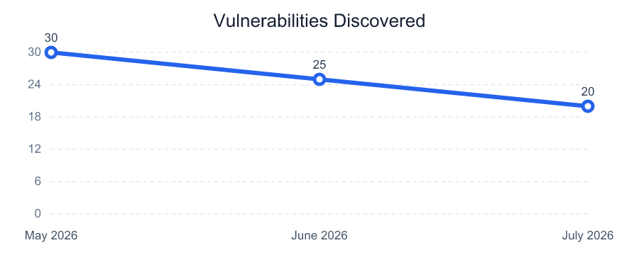
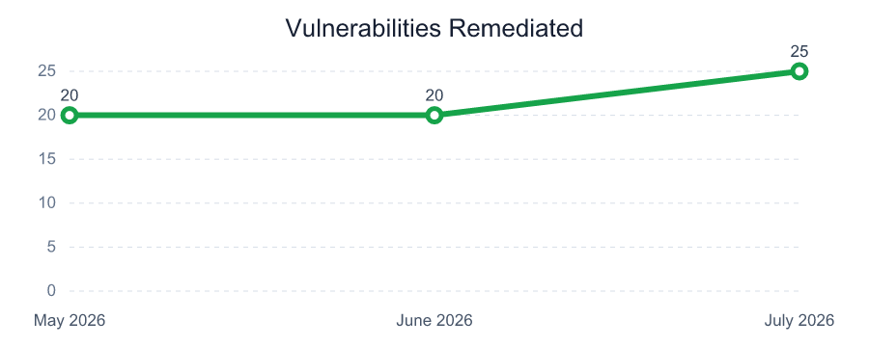
Vulnerability Trend - Last 3 Months
Month | Discovered | Remediated
May 2026 | 30 | 20
June 2026 | 25 | 20
July 2026 | 20 | 25

Total Open by Patch Priority
P1 |  |  | P2 |  |  | P3 |  |  | P4
20 |  |  | 60 |  |  | 20 |  |  | 20

Open findings |  |  | Open findings |  |  | Open findings |  |  | Open findings

Total Open by Age and Patch Priority |  |  |  |  |  | Vulnerabilities Patched in Last Month
Patch Priority | >7 days | >30 days | >60 days | >180 days |  | Measure | Count | Report Month
P1 | 20 | 16 | 12 | 2 |  | Previous Month Open | 125 | June 2026
P2 | 60 | 51 | 38 | 8 |  | New This Month | 20 | July 2026
P3 | 20 | 16 | 12 | 2 |  | Current Month Open | 120 | July 2026
P4 | 20 | 17 | 13 | 3 |  | Patched Last Month | 25 | July 2026

Uploaded Month Summary
Month | Critical | High | Medium | Low | Total Open | New | Patched
April 2026 | 28 | 28 | 27 | 27 | 110 | 0 | 0
May 2026 | 30 | 30 | 30 | 30 | 120 | 30 | 20
June 2026 | 32 | 31 | 31 | 31 | 125 | 25 | 20
July 2026 | 30 | 30 | 30 | 30 | 120 | 20 | 25

Top Vulnerable Assets
Top Vulnerable Assets
CrowdStrike | April 2026 - July 2026

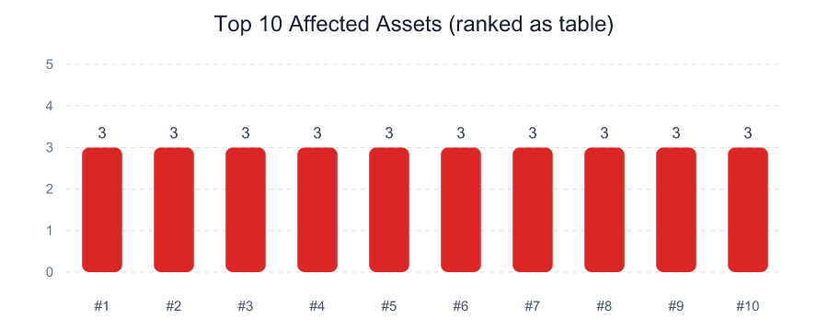
IP Address | DNS / Workload | Critical | High | P1 + P2 | Open Findings | Max Exposure
10.40.1.20 | cs-asset-001.corp.example | 1 | 0 | 3 | 3 | 1000
10.40.1.23 | cs-asset-004.corp.example | 0 | 1 | 3 | 3 | 698
10.40.2.41 | cs-asset-022.corp.example | 1 | 0 | 3 | 3 | 895
10.40.2.44 | cs-asset-025.corp.example | 0 | 1 | 3 | 3 | 808
10.40.2.47 | cs-asset-028.corp.example | 1 | 1 | 3 | 3 | 825
10.40.2.50 | cs-asset-031.corp.example | 1 | 1 | 3 | 3 | 925
10.40.2.53 | cs-asset-034.corp.example | 1 | 0 | 3 | 3 | 895
10.40.2.56 | cs-asset-037.corp.example | 0 | 1 | 3 | 3 | 808
10.40.2.59 | cs-asset-040.corp.example | 1 | 1 | 3 | 3 | 825
10.40.3.62 | cs-asset-043.corp.example | 1 | 1 | 3 | 3 | 940
10.40.1.21 | cs-asset-002.corp.example | 1 | 1 | 2 | 3 | 805
10.40.1.22 | cs-asset-003.corp.example | 1 | 1 | 2 | 3 | 770
10.40.2.42 | cs-asset-023.corp.example | 1 | 1 | 2 | 3 | 770
10.40.2.43 | cs-asset-024.corp.example | 1 | 1 | 2 | 3 | 735
10.40.2.46 | cs-asset-027.corp.example | 1 | 1 | 2 | 3 | 770

Top Vulnerabilities
Top Vulnerabilities
CrowdStrike | April 2026 - July 2026

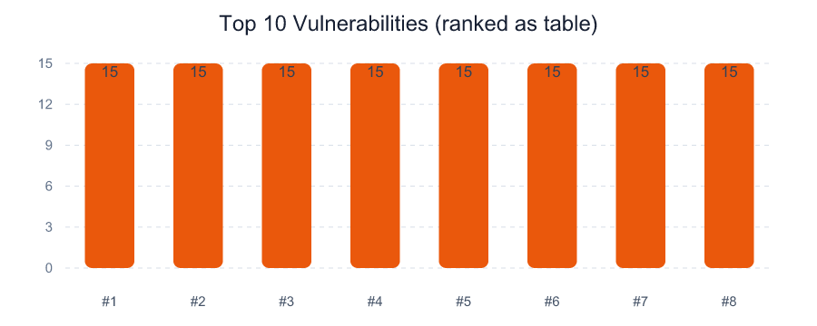
Vulnerability | CVE | Open Findings | Affected Assets | Highest Priority | Exploit Available | Max Exposure
Apache Log4j remote code execution | CVE-2021-44228 | 15 | 15 | P1 | 5 | 808
Cisco IOS XE web UI privilege escalation | CVE-2023-20198 | 15 | 15 | P1 | 5 | 878
Google Chrome use-after-free vulnerability | CVE-2024-4671 | 15 | 15 | P1 | 5 | 1000
Windows Remote Desktop Licensing Service remote code execution | CVE-2024-38077 | 15 | 15 | P1 | 5 | 925
Apache Tomcat AJP file read and inclusion | CVE-2020-1938 | 15 | 15 | P2 | 5 | 518
Linux kernel netfilter use-after-free | CVE-2024-1086 | 15 | 15 | P2 | 5 | 735
Microsoft Exchange privilege escalation | CVE-2024-21410 | 15 | 15 | P2 | 5 | 543
OpenSSL X.400 address type confusion | CVE-2023-0286 | 15 | 15 | P2 | 5 | 745

